1. Title Page
[Grocery Basket Analysis ]

Project Name: Instacart
Date: 12.03.2024
Analyst Name: Anton G.

Contents: | Instacart, is an American delivery company based in San Francisco that operates a grocery delivery and pick-up service in the United States and Canada accessible via a website and mobile app. It allows customers to order groceries from participating retailers with the shopping being done by a personal shopper.
Population Flow
Consistency checks
Wrangling steps
Column derivations
Visualizations
Recommendations

2. Population Flow
Title page

Population flow

Exclusion flag
Condition: max_order < 5
Obervations to be removed: 1440295
Final total count of order_products_all: 32404859

Orders_products_combined
Orders_products_merged
Orders_products_all

Total : 32404859
Total: 32434489
Total: 32404859

1.) The grey boxes in the first row of the population flow represent the original data sets as they were when you downloaded them. In the Total fields you need to add the count of the rows when you imported the data set into Jupyter.
2.) The second row of boxes (coloured) represents the data sets after you manipulated them, e.g., removed missing values and duplicates. In the Total fields you need to add the count of the rows after conducting these operations. This offers a visual oveview of how the data flows throughout the data consistency checks.
3.) The third row, where also the arrows are coloured, represents the merges you performed between the datasets. In the Total fields you need to add the count of the rows in the merged datasets, so that you end up with the final dataset (in the red box). Keep in mind the final dataset should be without exclusions (based on the exclusion flag).

3. Consistency checks
 |  |  |  | Title page
Consistency checks

Dataset | Missing values | Missing values treatment | Duplicates
orders | 206209 | Do nothing due to a large amount of data | No duplicates have been found
products | 16 | Using of dropna function and creation of new dataframe, which eliminates all missing values. | 5 rows with duplicates have been found. They have been dropped.

4. Wrangling steps
 |  |  |  | Title page
Wrangling steps

Columns dropped | Columns renamed | Columns' type changed | Comment/Reason
eval_set |  |  | It is unnecessary for analysis
 | order_dow to orders_day_of_week |  | The name looks clearer
 |  | order_id | Changed from Integer to String
 | days_since_prior_order to days_since_last_order |  | The name looks clearer
_merge |  |  | It is necessary to remove this column to make merge of two datasets
Unnamed: 0 |  |  | For a better illustration of the table
 | First Name to first_name |  | The name looks clearer
 | Surnam to last_name |  | The name looks clearer
 | Gender to gender |  | The name looks clearer
 | STATE to state |  | The name looks clearer
 | Age to age |  | The name looks clearer
 | n_dependants to number_of_dependants |  | The name looks clearer
 | fam_status to family_status |  | The name looks clearer
 |  | date_joined | Changed from object to timeline
first_name |  |  | has been dropped due to (PII) reason
last_name |  |  | has been dropped due to (PII) reason

5. Column derivations
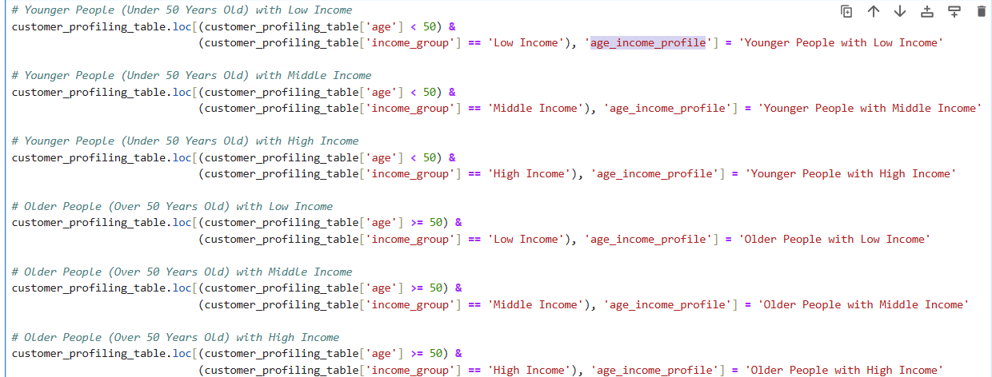
 |  |  |  |  | Title page

Column derivations and aggregations

In this tab you should add tables below that the frequences of flags/label variables that you produced after deriving them. NB: don't do this for continuous variables, only for flags.
Dataset | New column | Column/s it was derived from | Conditions
ords_prods_merge.pkl | price_range | prices | < 5 is Low-Range Product, between 5 and 15 is Mid-Range and >15 is High-Range
ords_prods_merge.pkl | busiest_day | orders_day_of_week | Busiest days = 0 (Saturdays); Least busy days = 4 (Wednesday); Regularly busy = all other days
ords_prods_merge.pkl | busiest_days | orders_day_of_week | Busiest days = 0 (Saturdays) or 1 (Sundays); Slowest days = 4 (Wednesday) or 3(Tuesdays); Regular days = all other days
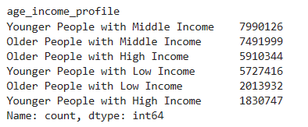
ords_prods_merge.pkl | busiest_period_of_day | order_hour_of_day | Fewest orders are between 0 and 6 or = 23; Average orders are between 10 and 16 or = 9; Most orders = all other hours
orders_products_merged_derived.pkl | max_order | user_id and order_number | Maximum number of orders for each customer
orders_products_merged_derived.pkl | loyalty_flag | max_order | Loyal customer has over 40 orders; Regular customer has between 10 and 40 and New customer has below 10
orders_products_merged_derived.pkl | avg_order_price | user_id and prices | Average price per customer indicated across the orders
orders_products_merged_derived.pkl | spending_flag | avg_order_price | Low spender has <10; High spender has >= 10
orders_products_merged_derived.pkl | median_days_between_orders | user_id and days_since_prior_order | Calculates the median days since prior order for each customer
orders_products_merged_derived.pkl | order_frequency | median_days_between_orders | Non-frequent customer is > 20; Regular customer is between 10 and 20; Frequent customer is <= 10
customer_orders_products.pkl | region_loc | state | Redistributed across 4 regions: Northeast, Midwest, West, South
customer_orders_products.pkl | exclusion_flag | max_order | >= 5 orders is for normal-activity customers < 5 is for low-activity customers'
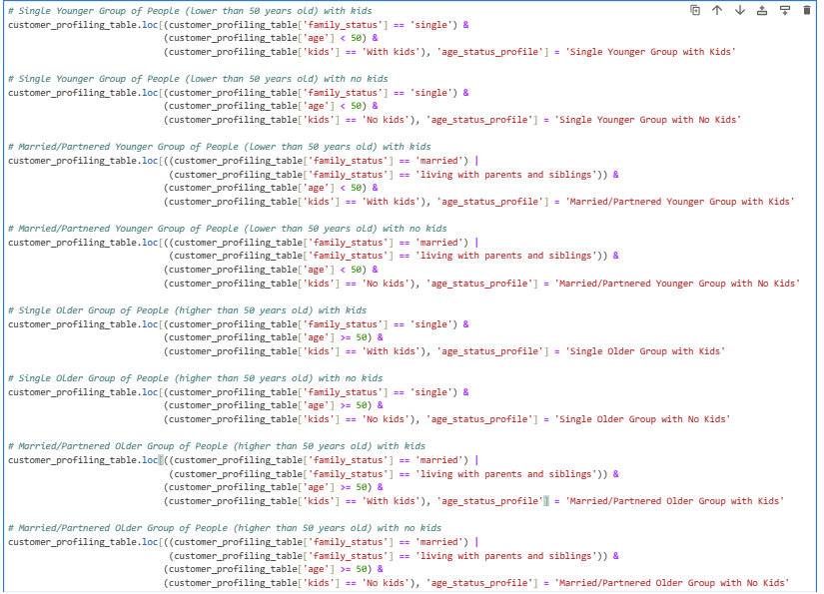
combined norm_act_customers.pkl and departments_wrangled.csv | age_group | age | < 50 referred to 'Under 50 Years Old' Group ; =>50 referred to 'Over 50 Years Old' Group | *
combined norm_act_customers.pkl and departments_wrangled.csv | income_group | income | Low Income: Income values up to the 25th percentile (less than or equal to 67,292 US)) Middle Income: Income values between the 25th and 75th percentiles (between 67,292 USD and 128,102 USD) High Income: Income values above the 75th percentile (greater than 128,102 USD)
combined norm_act_customers.pkl and departments_wrangled.csv | kids | number_of_dependants | 0 = means no kids. >1 means a customer has a kid/kids
combined norm_act_customers.pkl and departments_wrangled.csv | age_status_profile | family_status, age, kids | * as per screenshot
combined norm_act_customers.pkl and departments_wrangled.csv | age_income_profile | age, income group | ** as per screenshot

 |  |  |  | **

6. Visualizations
 | Title page

Visualisations

In this tab you should include all the visualtions from Exercises 4.9 and 4.10, alongside the questions from the project brief that they answer. Include any commentary on the relationship between different variables.

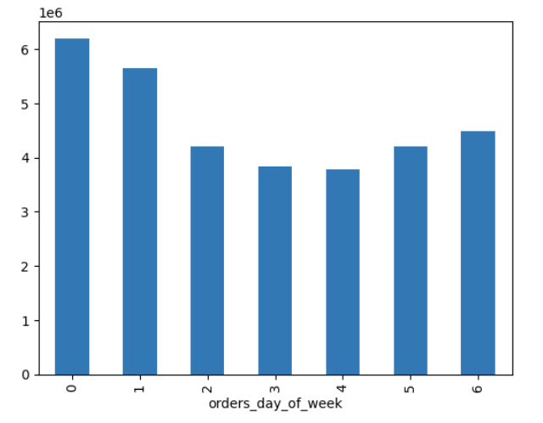

How busy is each day of the week towards number of orders. Saturday and Sunday (0 and 1) are the busiest days.Tuesday and Wednesday (3 and 4) are the least busiest days.

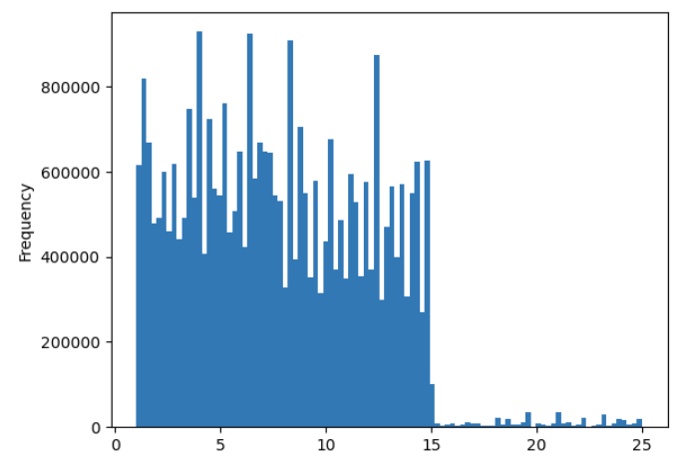

How the prices are redistributed across the orders. We can see that after 15$, the number of orders decreases

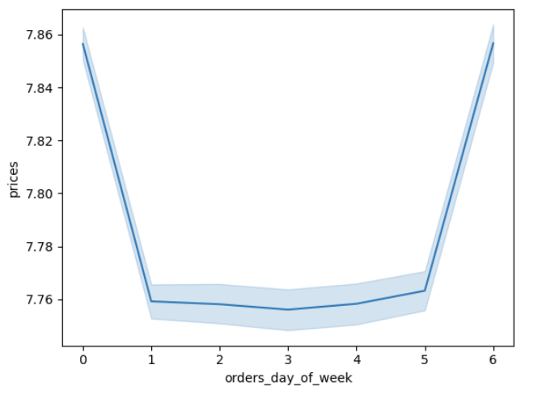

The relationship between prices and days, when orders are made. We can see the most expensive orders in the end of the week.

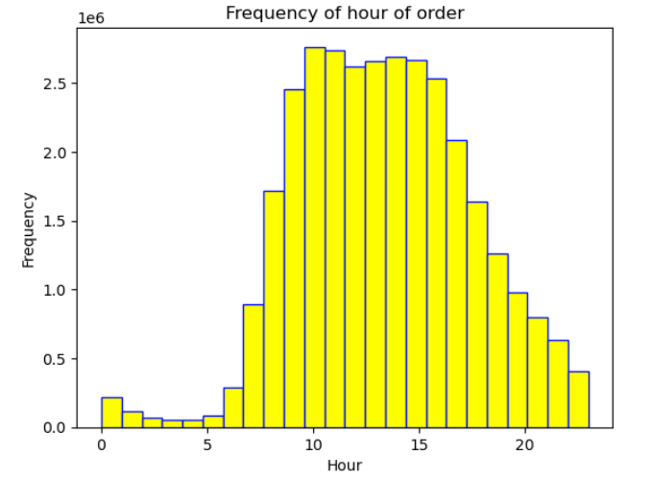

Relationship between frequency of orders and hours. The busiest order hours are between 10:00 and 15:00

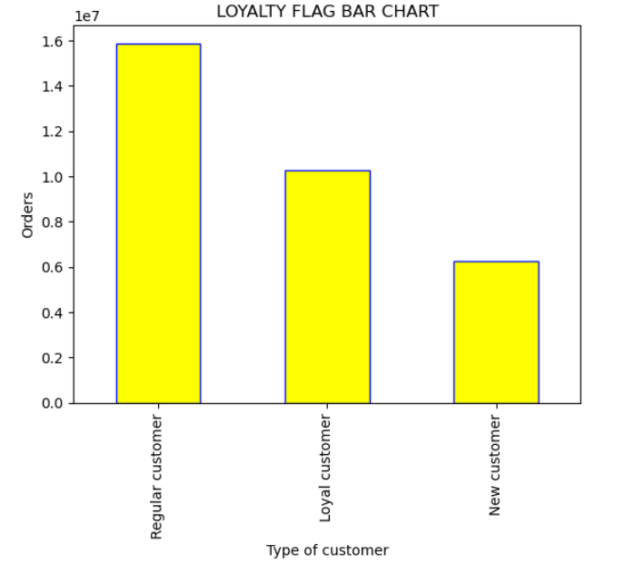

Loyalty flag illustration. Regular customers make the most orders.

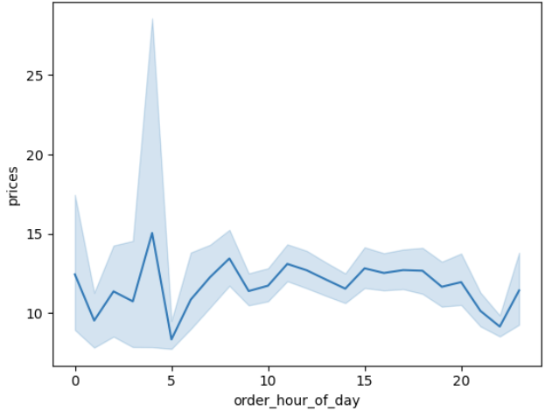

The relationship between prices and the hour of the day. We can observe some purchasing picks during the night.

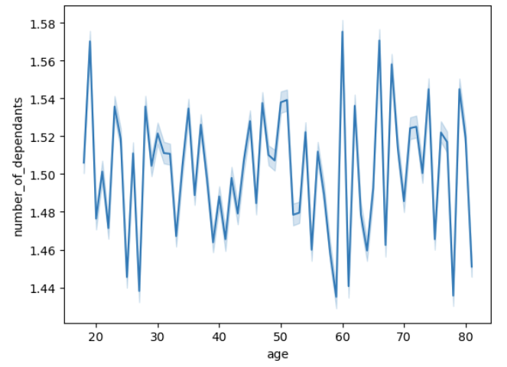

A line chart illustrating two variables: age and number of dependants. There is no indication of direct positive relationship between these two variables. The line chart is very changeable.

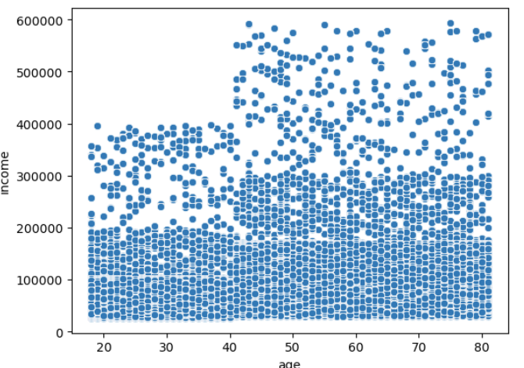

In this scatterplot, a significant density of income is observed between 0 and 200,000 across all age groups. Beyond 200,000, correlations appear less intense, with more outliers, particularly up to the age of 40. However, upon closer examination of age, it becomes evident that the strongest correlations (dots) are observable after the age of 40.

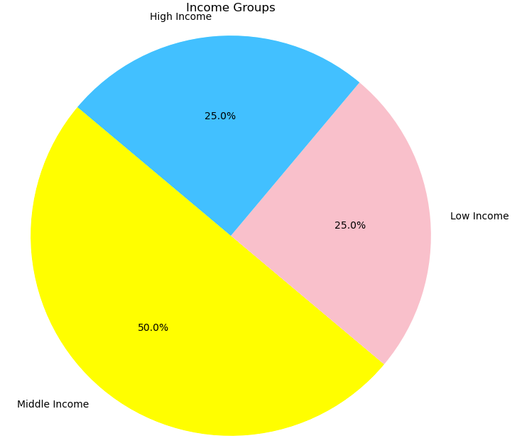

Pie chart illustrating shares where different income groups are shown. Middle income customers make the largest part of it.

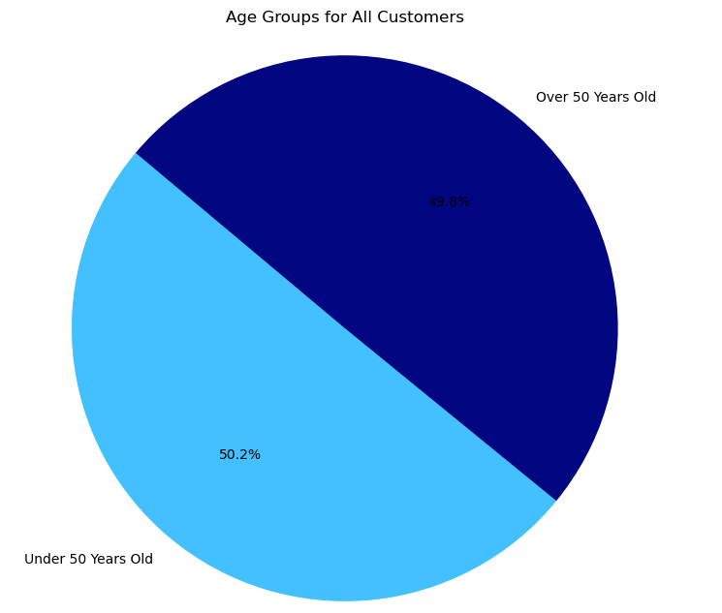

Pie chart illustrating shares where two age groups are shown. The shares are almost equal.

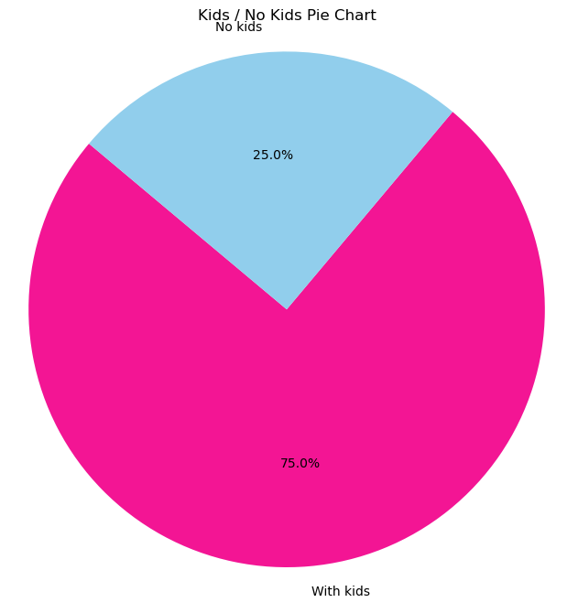

75% of customers do have dependands.

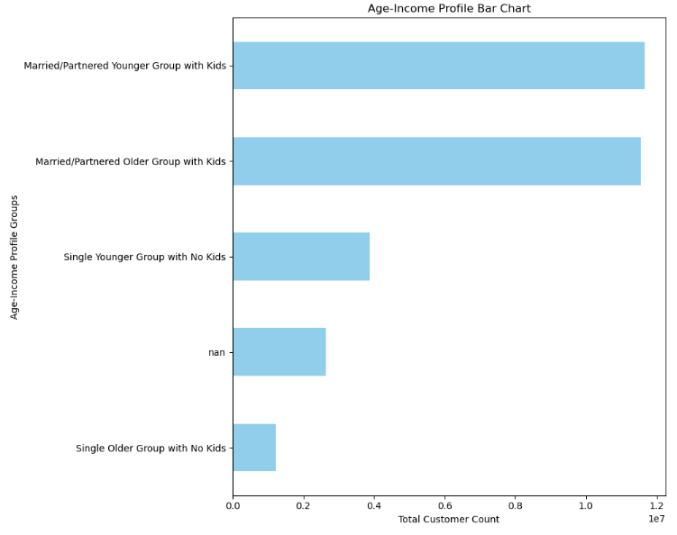

Married/partnered customers with kids do make the largest part of customer base.

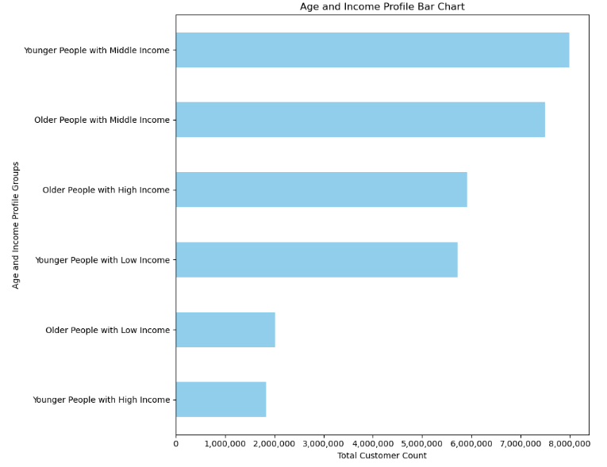

Younger and older people with middle income make the largest part of customer base

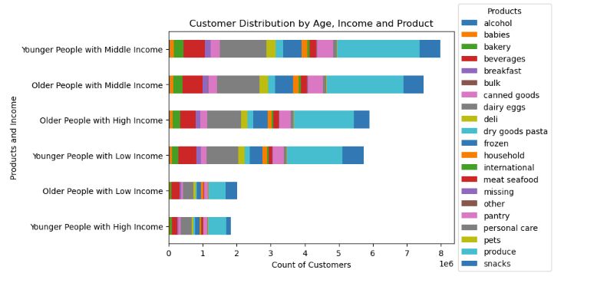

Produce is considered to be a favourite product department across all age/income groups

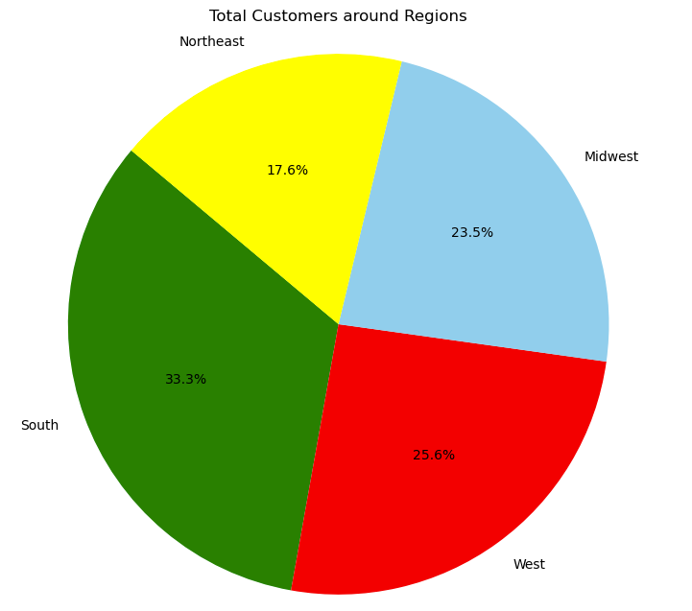

The most customer entries are found in the Southern Region

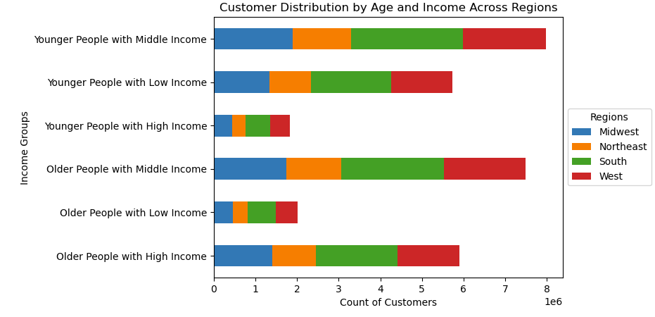

This is how every age/income group are redistributed around regions. In all regions predominate these groups: Younger People with Middle Income, Older People with High Income, Older People with Middle Income.

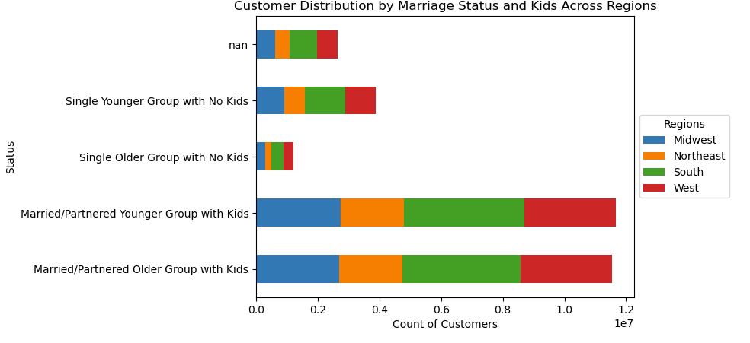

Married/Partnered with kids is a predominant group in every region.

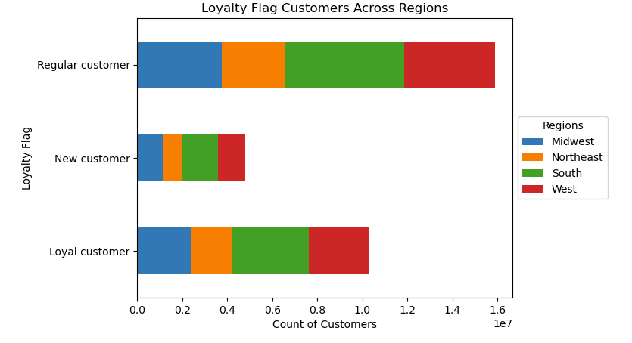

Customers from a predominate group "Regular customers" are mostly located in the South and Western regions.
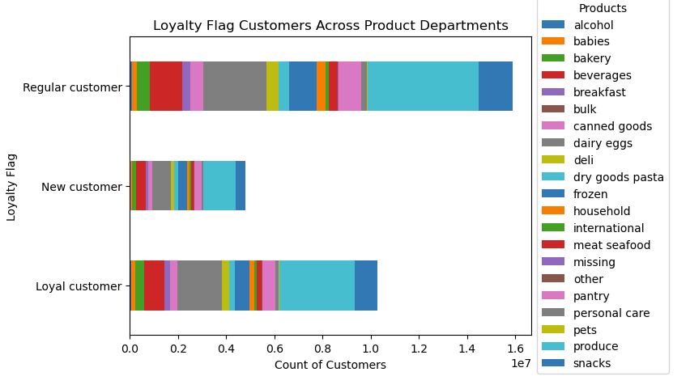

A favourite department between loyalty customers is 'produce'. Then it is followed by 'personal care' and 'beverages'.

7. Recommendations
 |  | Title page

Recommendations

In this tab you should include any recommendations you would made to Instcart in terms of their marketing strategy based on the questions posed in the brief. Every key question has been covered in the Tasks of the Exercises - here you need to add an item - a visualisation or table/crosstable that is showing the answer in the data, acompanied by a comment from you. Please, list the questions below and add the answer underneath.

QUESTION 1
What’s the distribution among users in regards to their brand loyalty (i.e., how often do they return to Instacart)?

The first category comprises regular customers who consistently place orders at their highest frequency. Following them are the second category: loyal customers who order infrequently but consistently. Lastly, the third category consists of new customers who have the potential to transition into either loyal or regular customers. The marketing team has to develope more advanced promotional campaigns aimed at attracting new customers and nurturing their potential transition into either loyal or regular customers.

QUESTION 2
Are there differences in ordering habits based on a customer’s loyalty status

Yes, in the stacked bar chart above, we can identify the most favored categories among loyal, regular, and new customers. By considering these categories (e.g., Produce, Personal Care, Beverages, or Snacks), we can develop more effective promotional campaigns and implement targeted discount initiatives.

QUESTION 3
Are there differences in ordering habits based on a customer’s region?

 | Loyal Customers: The South region has the highest number of loyal customers, followed closely by the Midwest. The Northeast and West regions have relatively lower counts of loyal customers compared to the South and Midwest regions. New Customers: The South region also has the highest number of new customers, followed by the Midwest. Again, the Northeast and West regions have relatively lower counts of new customers compared to the South and Midwest regions. Regular Customers: The South region has the highest number of regular customers, followed by the Midwest. Similar to loyal and new customers, the Northeast and West regions have relatively lower counts of regular customers compared to the South and Midwest regions. Based on these counts, we can conclude that there are differences in ordering habits based on a customer's region. The South and Midwest regions generally have higher counts of customers across all loyalty categories compared to the Northeast and West regions. Based on the analysis of ordering habits across different regions, it is necessary to prioritize sales team efforts by focusing on regions with the highest potential for growth and customer engagement. Specifically, they should concentrate on the South and Midwest regions, where there are higher numbers of loyal, new, and regular customers.

QUESTION 4
Is there a connection between age and family status in terms of ordering habits?

Definitely, we can observe that both older and younger married/partnered people do have kids and make the largest part of customer base. Such condition determines their desire to purchase more products for them,their partners and for their kids. Based on the observation that married/partnered people with kids make up the largest part of the customer base, there are several implications for marketing and product strategies: Family-Centric Marketing: Develop marketing campaigns and product offerings that cater to the needs and preferences of families. Highlight family-friendly features, such as bulk discounts, multi-pack options, or products suitable for children and adults alike. Bundle Deals and Packages: Offer bundle deals or packages that include products for different family members. For example, create bundles that include items for parents, children, and even pets, providing convenience and value for families purchasing multiple products. Targeted Product Recommendations: Use customer data and purchase history to personalize product recommendations for families. Recommend products that are relevant to their family composition, such as age-appropriate toys, household essentials, or family-oriented experiences. Promotions for Family Events: Align marketing promotions with family-centric events and holidays, such as back-to-school season, family vacations, or special occasions like birthdays and anniversaries. Offer discounts or promotions that encourage families to purchase gifts or products for these events. Family-Friendly Features and Packaging: Design products with features that appeal to families, such as durability, safety, and ease of use. Consider packaging designs that are family-friendly and convenient, especially for products intended for children or household use. Community Engagement: Engage with family-focused communities and organizations to build relationships and brand loyalty. Sponsor family-friendly events, participate in

QUESTION 5
What different classifications does the demographic information suggest? Age? Income? Certain types of goods? Family status?

We may observe two different age categories (under 50 years old and over 50 years old). Moreover, we can see the income groups (low income, middle income and high income). By merging age and income, in all regions predominate these groups: Younger People with Middle Income, Older People with High Income, Older People with Middle Income. Considering the demographic insights of age and income groups across all regions, the sales team can tailor their approach to target specific customer segments more effectively. Here's what the sales team can do: Segmented Sales Strategies: Develop segmented sales strategies that address the unique needs and preferences of each demographic group identified. Create targeted messaging and offers tailored to younger people with middle income, older people with high income, and older people with middle income. Product Recommendations: Provide personalized product recommendations based on the demographic profile of customers. Highlight products that are relevant to each age and income group, emphasizing features and benefits that resonate with their lifestyles and purchasing behaviors. Customized Sales Outreach: Customize sales outreach efforts to engage with customers in different age and income groups. Adapt communication channels, messaging tone, and timing of outreach to align with the preferences of each demographic segment. revenue streams.

QUESTION 6
What differences can you find in ordering habits of different customer profiles? Consider the price of orders, the frequency of orders, the products customers are ordering, and anything else you can think of.

Based on the provided information and graphs about customer ordering habits above, including the price of orders, frequency of orders, products ordered, and order timing, several differences and patterns can be observed: Ordering Frequency by Day: Saturday and Sunday (0 and 1) are the busiest days for orders, while Tuesday and Wednesday (3 and 4) are the least busy. This indicates that customers tend to place more orders over the weekend compared to weekdays. Ordering Time by Hour: The busiest order hours are between 10:00 and 15:00. This suggests that customers are more active in placing orders during the late morning to early afternoon hours, potentially coinciding with lunchtime or midday breaks. Price Distribution: The distribution of prices across orders shows that after $15, the number of orders decreases. This implies that there may be a threshold or price sensitivity point for customers, beyond which they are less inclined to make a purchase. Price and Day Relationship: The most expensive orders occur at the end of the week. This could be attributed to various factors such as weekend indulgence, larger family gatherings, or special occasions prompting higher spending. Based on these observations, here are some recommendations for the sales team: Promotional Timing: Leverage the insights on ordering frequency by day and hour to optimize promotional timing. Concentrate promotional efforts on weekends and during peak order hours to maximize visibility and engagement. Price Point Strategy: Consider adjusting pricing strategies to align with the observed price sensitivity point. Offer promotions or discounts for orders above $15 to incentivize higher-value purchases and stimulate demand. Product Assortment: Analyze the types of products that are popular during peak order hours and on weekends. Tailor product assortments or promotions to cater to customer preferences during these times, potentially focusing on meal solutions, snacks, or fam

